Sheet1
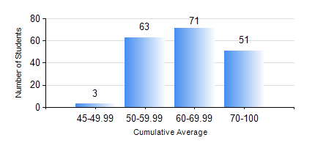
 |  |  | KWAME NKRUMAH UNIVERSITY OF SCIENCE AND TECHNOLOGY, KUMASI Department of Civil Engineering

 |  |  | BSC. CIVIL ENG.

 |  |  | COMPREHENSIVE RECORD OF EXAMINATION RESULTS

 |  |  | RESULTS OF YEAR 3 FIRST SEMESTER, 2019/2020 ACADEMIC YEAR

 | Sn | Course Code |  | Course Name | Credit Hours | Min. Mark | Max. Mark | Avg. Mark | Std. Dev. | No. Passed | No. Trailed | No. (Df) | No. (I) | No. (I*) | No. Tagged(I,I*,Df) | Total
 | 0. |  |  |  |  |  |  | 0 | 0 | 0 | 0 | 0 | 0 | 0 | 0 | 7
 | 1. | CE 351 |  | STRUCTURAL ANALYSIS | 2 | 40 | 98 | 69 | 13.41 | 181 | 0 | 0 | 0 | 0 | 0 | 181
 | 2. | CE 353 |  | REINFORCED CONCRETE DESIGN | 3 | 40 | 96 | 69 | 13.89 | 181 | 0 | 0 | 0 | 0 | 0 | 181
 | 3. | CE 355 |  | HYDROLOGY | 2 | 44 | 97 | 74 | 11.4 | 180 | 0 | 0 | 1 | 0 | 1 | 181
 | 4. | CE 359 |  | SOIL MECHANICS | 3 | 23 | 97 | 67 | 15.52 | 179 | 2 | 0 | 0 | 0 | 0 | 181
 | 5. | CE 367 |  | HIGHWAY AND TRANSPORTATION ENGINEERING I | 2 | 42 | 77 | 71 | 6.01 | 181 | 0 | 0 | 0 | 0 | 0 | 181
 | 6. | GE 381 |  | ENGINEERING SURVEYING | 3 | 33 | 91 | 60 | 10.6 | 177 | 4 | 0 | 0 | 0 | 0 | 181
 | 7. | MATH 351 |  | NUMERICAL ANALYSIS | 2 | 27 | 87 | 61 | 10.88 | 179 | 2 | 0 | 0 | 0 | 0 | 181
 | 8. | MATH 353 |  | STATISTICS I | 2 | 40 | 90 | 75 | 8.52 | 181 | 0 | 0 | 0 | 0 | 0 | 181

